시트1
Project Name: | NextLevel Research Conference Management System
Test CaseID | T3.1
Test Case Description | Reviewer set the max number of assigned papers
Created by: | Yechan Kim
Date of testing: | 27th October 2022
Actor: | Reviewer
Pre-condition: | Logged in as Reviewer

Test Step | Step Details | Test Data | Expected Results | Actual Results | Pass/Fail/Not executed/Suspended | Screenshots, if possible | Remarks
T3.1 - 1 | Reviewer clicks "Settings" button | reviewer(maxPaper) | System will direct user to paper page to reviewer setting page. The user should be redirected to the reviewer setting page. | System directs user to paper page to reviewer setting page. | Pass | 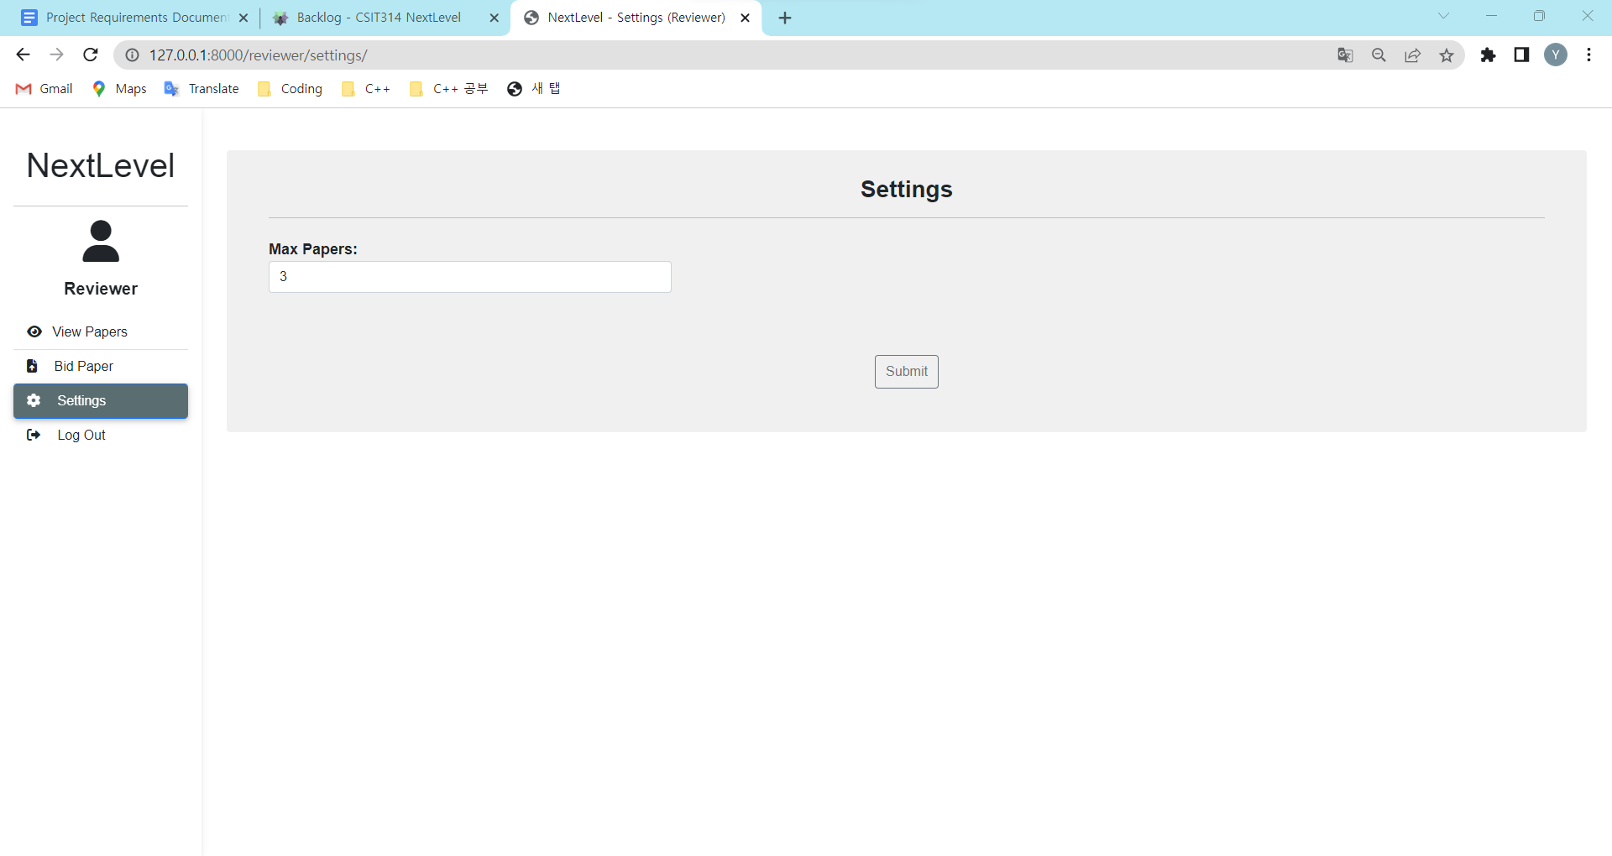
T3.1 - 2 | Reviewer types in maximum number of paper for workload. | reviewer(maxPaper) | The typed details should appear in the text box The user can view their keyed-in details. | The typed details appears in the text box | Pass | 
T3.1 - 3 | Reviewer clicks "Submit" button |  | The system will upload the details with new data and display successful message. The user will be able to see the updated information and see a success message. | The system uploads the details with new data and displays successful message. | Pass | 